По группам всего
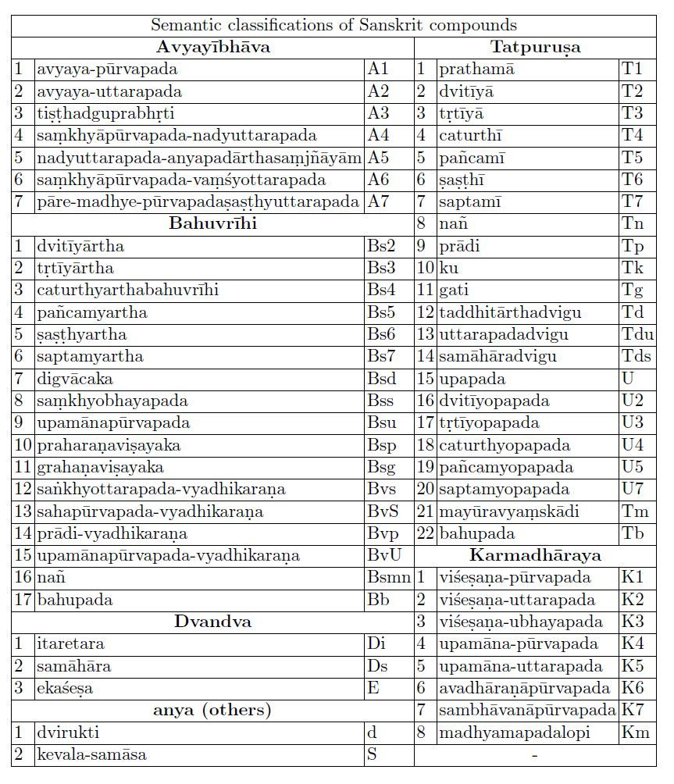
Подтип | Тип | Кол-во | Сокр. |  | Длинное сокращение
ṣaṣṭhī- | tatpuruṣa | 129 | T6 |  | ṣaṣṭhī-tat.
upapada- | tatpuruṣa | 40 | U |  | upapada-tat.
tṛtīyā- | tatpuruṣa | 35 | T3 |  | tṛtīyā-tat.
saptamī- | tatpuruṣa | 11 | T7 |  | saptamī-tat.
prādi- | tatpuruṣa | 10 | Tp |  | prādi-tat.
dvitīyā- | tatpuruṣa | 7 | T2 |  | dvitīyā-tat.
pañcamī- | tatpuruṣa | 3 | T5 |  | pañcamī-tat.
caturthī- | tatpuruṣa | 2 | T4 |  | caturthī-tat.
nañ- | tatpuruṣa | 1 | Tn |  | nañ-tat.
viśeṣaṇapūrvapadaḥ | karmadhāraya | 40 | K1 |  | viśeṣaṇa. karmadhā.
upamānapūrvapadaḥ | karmadhāraya | 2 | K4 |  | upamānapū. karma.
upamānottarapadaḥ | karmadhāraya | 2 | K5 |  | upamānotta. karma.
samānādhikaraṇa- | bahuvrīhi | 87 | Bs? | Тоже есть подвиды | samānādhi-bah.
sahapūrvapado | bahuvrīhi | 13 | BvS | vyadhikaraṇa-? Тогда почему vyadhikaraṇa- отдельно?
saha- | bahuvrīhi | 4 | Тоже sahapūrvapado ? Других saha-bahuvrīhi просто нет. |  | saha-bah.
vyadhikaraṇa- | bahuvrīhi | 4 | Bv? | Тоже есть подвиды | vyadhi-bah.
itaretara- | dvandva | 20 | Di |  | itaretara-dva.
samāhāra- | dvandva | 1 | Ds |  | samāhāra-dva.
 | avyayībhāva | 2 | A | Какая из? Их 7 видов? | avyayībhāva

